2019
Classifier evaluation with Expected Value Framework
- What's the better model from a business perspective? SVM or Logistic Regression?

 | CLASSIFIER 1: SVM trained with balanced customer data |  |  |  |  |  |  |  |  |  | CLASSIFIER 2: Logistic regression trained/tested with balanced customer data
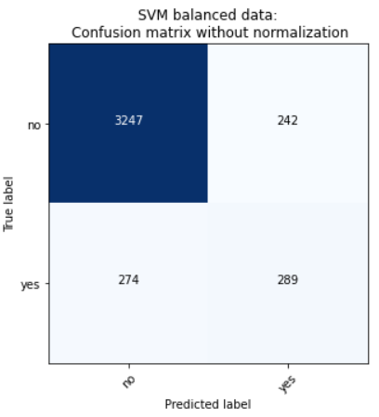
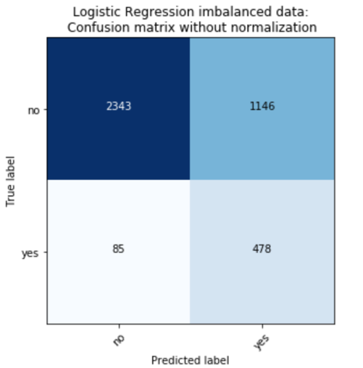

 | PYTHON OUTPUT |  |  |  |  |  |  |  |  |  | PYTHON OUTPUT

 |  |  | Predicted |  |  |  |  |  |  |  |  |  | Predicted
 |  | Partition = Testing |  |  |  |  |  |  |  |  |  | Partition = Testing
 | Actual |  | 0 | 1 |  |  |  |  |  |  | Actual |  | 0 | 1
 |  | 0 | 3,247 | 242 |  |  |  |  |  |  |  | 0 | 2,343 | 1146
 |  | 1 | 274 | 289 |  |  |  |  |  |  |  | 1 | 85 | 478

 | Confusion matrix (reformulated) |  |  |  |  |  |  |  |  |  | Confusion matrix (reformulated)

 |  |  | Actual class |  |  |  | Estimated probabilities |  |  |  |  |  | Actual class |  |  |  | Estimated probabilities
 |  |  | p | n |  |  |  | p | n |  |  |  | p | n |  |  |  | p | n
 | Predicted class | Y | 289 | 242 | 531 |  | Y | 7% | 6% |  | Predicted class | Y | 478 | 1146 | 1624 |  | Y | 12% | 28%
 |  | N | 274 | 3,247 | 3521 |  | N | 7% | 80% |  |  | N | 85 | 2,343 | 2428 |  | N | 2% | 58%
 |  |  | 563 | 3489 | 4052 |  |  |  |  |  |  |  | 563 | 3489 | 4052

 | Cost-benefit information |  |  |  |  |  |  |  |  |  | Cost-benefit information

 |  |  | Actual class |  |  | Test-set priors |  |  | Conditional probabilities |  |  |  | Actual class |  |  | Test-set priors |  |  | Conditional probabilities
 |  |  | p | n |  | P(p) | 14% |  | P(Y|p) | 51% |  |  | p | n |  | P(p) | 13.89% |  | P(Y|p) | 85%
 | Predicted class | Y | $10.00 | $(5.00) |  | P(n) | 86% |  | p(N|p) | 49% | Predicted class | Y | $10.00 | $(5.00) |  | P(n) | 86% |  | p(N|p) | 15%
 |  | N | $- | $- |  |  |  |  | p(Y|n) | 7% |  | N | $- | $- |  |  |  |  | p(Y|n) | 33%
 |  |  |  |  |  |  |  |  | p(N|n) | 93% |  |  |  |  |  |  |  |  | p(N|n) | 67%

 | Expected benefit with test set priors = |  |  |  |  | $0.41 | (per customer) |  |  |  | Expected benefit with test set priors = |  |  |  |  | $(0.2345) | (per customer)

 | Expected benefit with user defined class priors = |  |  |  |  | $0.04 | (per customer) |  |  |  | Expected benefit with user defined class priors = |  |  |  |  | $(0.9330) | (per customer)

 | p(p) | p(Y|p)b(Y,p)+p(N|p)c(N,p) |  |  | = | 0.3593250444 |  |  |  |  | p(p) | p(Y|p)b(Y,p)+p(N|p)c(N,p) |  |  | = | 0.59431616341
 | 7% | 5.1332149201 |  |  |  |  |  |  |  |  | 7% | 8.4902309059

 | p(n) | p(N|n)b(N,n)+p(Y|n)c(Y,n) |  |  | = | -0.32252794497 |  |  |  |  | p(n) | p(N|n)b(N,n)+p(Y|n)c(Y,n) |  |  | = | -1.5273430782
 | 93% | -0.3468042419 |  |  |  |  |  |  |  |  | 93% | -1.6423043852

